Defect Report - Case Study
Defect ID | Defect Description | Steps to Reproduce | Priority | Severity | Status | Created By | Assigned To | Screenshot
1 | The cart icon continues to display the previous item count even after all the items have been removed from the cart. | 1. Launch www.google.com 2. Search for https://automationexercise.com/ 3. Select any product and click on Add to cart. 4. Add one or more products to the cart. 5. Click on the Cart icon. 6. Remove all the products from the cart. 7. Observe the cart icon and item count. | High | Major | New | Ajay Kumar | Raghavendra BN | 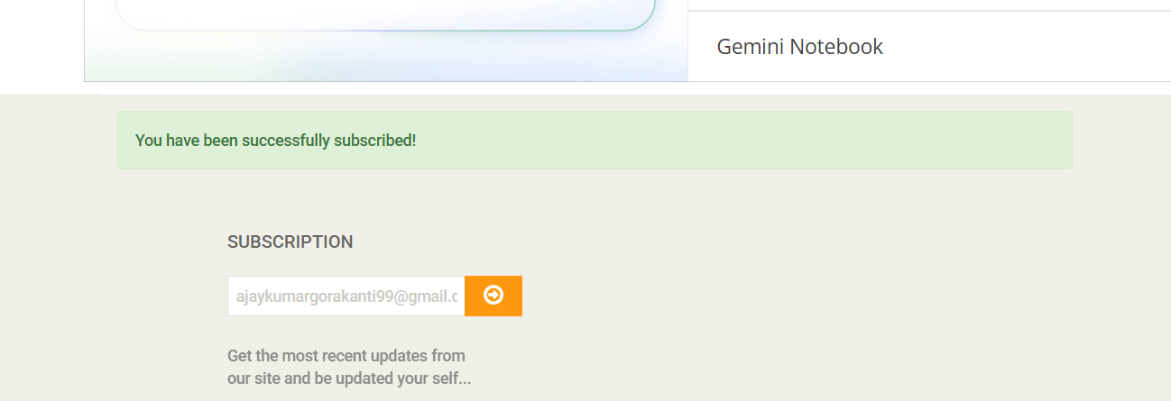
2 | The same product can be added to the cart multiple times and is displayed as separate entries instead of updating the existing quantity. | 1.Luanch https://www.demoblaze.com/ 2. Select any product. 3. Click on Add to cart. 4. Return to the product page. 5. Select the same product again. 6. Click on Add to cart. 7. Open the Cart page. 8. Observe the product entries. | Medium | Major | New | Ajay Kumar | Raghavendra BN | 
3 | The registration form accepts alphabetic characters in the Phone Number field without displaying an appropriate validation message. | 1.Launch https://parabank.parasoft.com/ 2. Click on Register. 3. Enter valid details in the registration form. 4. Enter abcd in the Phone Number field. 5. Complete the remaining fields. 6. Click on Register. 7. Observe the system response. | High | Major | New | Ajay Kumar | Raghavendra BN | 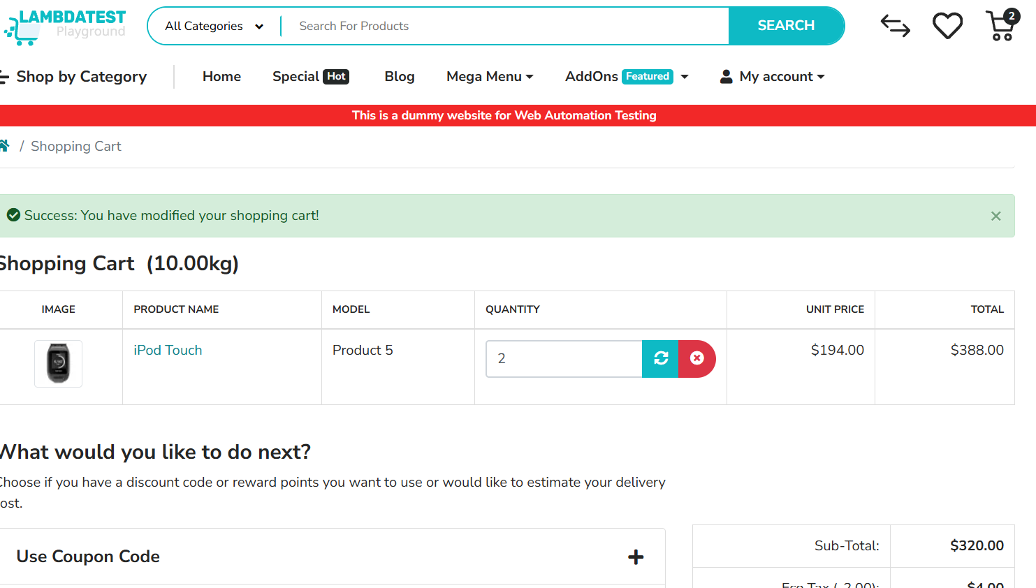
4 | The product sorting option does not correctly arrange products according to the selected sorting criteria. | 1. Launch https://www.saucedemo.com/ 2. Login with valid credentials. 3. Open the Products page. 4. Select a sorting option such as Price low to high. 5. Observe the order of the products displayed | High | Major | New | Ajay Kumar | Raghavendra BN | 
5 | The system does not display an appropriate error message when invalid login details are entered. | 1. Launch https://reqres.in/? 2.Open the login page. 3. Enter an invalid email address. 4. Enter an invalid password. 5. Click on Login. 6. Observe the system response.. | High | Major | New | Ajay Kumar | Raghavendra BN | 